Sheet1
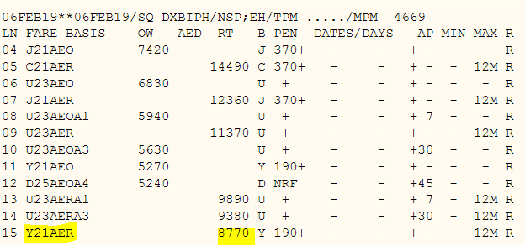

NV - AED6,139/pax
Taxes - AED235

