2016
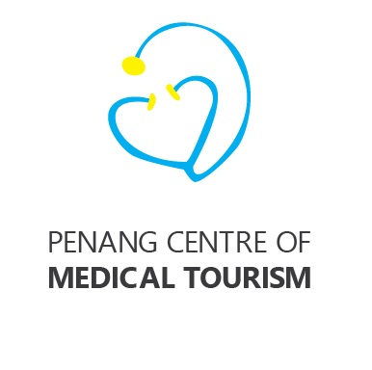

 | Penang Centre of Medical Tourism
 | Budget for 2017 V1
 |  | RM | Remarks
a | Website Maintenance & hosting 12 months x RM200 | 2,400 | RM150 pm x 12, RM380 website hosting

 | Website Hosting RM400, domain registration RM80 | 480

b | Refreshments for meetings 12 meetings x RM300 per meeting | 3,600
c | Roadshows to a) Jakarta b) Medan c) Yangon d) Ho Chi Minh City e) Hanoi f) Bandung - 6 cities @ RM20k each | 120,000
d | Printing of collateral, call cards, bookmarks, t-shirts, bags, promotional material, banners, souvenirs, etc | 12,000
e | Hosting of fam trips and reciprocal visits by doctors, clinics and referral hospitals @ 6 per annum @ RM10k each | 60,000
f | Miscellaneous Expenses | 1,520
 | Total | 200,000
 |  |  |  | visa | 190.00
 |  |  |  | taxi | 74.00
 |  |  |  | Lunch | 500.00
 | Utilized |  |  | dinner | 650.00
A | Dinner for Phuket Delegation at 59 Sixty Restaurant on 4 Sep 201640 | 1,760 | 40 pax x RM88 nett | lunch | 600.00
 | 40 pax x RM88 nett = RM3,520 shared 50%:50% with PMED |  |  | seminar | 1,200.00
 |  |  |  | room | 800.00
 |  |  |  | transport | 2,500.00
 |  |  |  | subsidy | 6,000.00
 |  |  |  |  | 12,514.00

