2016
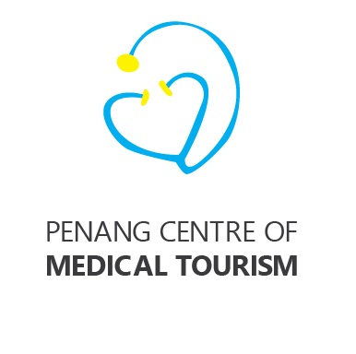

 | Penang Centre of Medical Tourism
 | Budget for 2017 V2
 |  | RM | Remarks
a | Website Maintenance & hosting 12 months x RM200 x 5 languages, English, Bahasa Indonesia, Mandarin, Vietnamese, Myanmar | 12,000

 | Website Hosting RM400, domain registration RM80 | 480

b | Refreshments for meetings 12 meetings x RM300 per meeting | 3,600
c | Roadshows to a) Jakarta b) Medan c) Yangon d) Ho Chi Minh City e) Hanoi f) Bandung - 4 cities @ RM15k each and 2 cities sponsored by NCIA | 60,000
d | Printing of collateral, call cards, bookmarks, t-shirts, bags, promotional material, banners, souvenirs, etc | 2,400
e | Hosting of fam trips and reciprocal visits by doctors, clinics and referral hospitals @ 4 per annum @ RM15k each | 60,000
f | Miscellaneous Expenses | 11,520
 | Total | 150,000
 |  |  |  | visa | 190.00
 |  |  |  | taxi | 74.00
 |  |  |  | Lunch | 500.00
 |  |  |  | dinner | 650.00
 |  |  |  | lunch | 600.00
 |  |  |  | seminar | 1,200.00
 |  |  |  | room | 800.00
 |  |  |  | transport | 2,500.00
 |  |  |  | subsidy | 6,000.00
 |  |  |  |  | 12,514.00

