Modetour
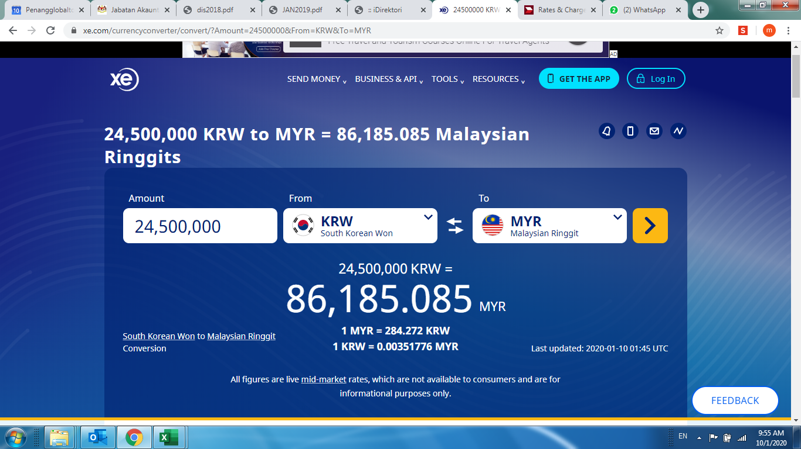
Penang Global Tourism Sdn Bhd
Foreign Currency Conversion
Modetour Korea Marketing Collaboration (Aug-Dec2019)

Bank Negara Rate |  |  | XE Currency

KRW | Rate | MYR | KRW | Rate | MYR
24,500,000.00 | 267.023 | 91,752.50 | 24,500,000.00 | 284.272 | 86,185.06

Bank Negara Rate |  |  | CIMB Currency

MYR | Rate | USD | MYR | Rate | USD
91,752.50 | 4.2162 | 21,761.89 | 86,185.06 | 4.1520 | 20,757.48

*Payment being made as according to XE Currency rate conversion due to Bank Negara Rate is higher
* CIMB does not provide currency exchange from KRW - MYR, only MYR-USD.

