2018
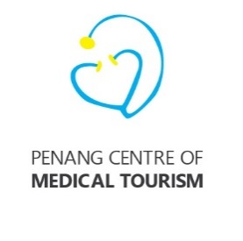
 | Penang Centre of Medical Tourism
 | Budget for 2018

 | Items | Proposed Budget for 2018 RM | Budget 2017 RM | Actual (YTD Sept'17) RM | Balance RM | Remarks
 | Membership fee (13 members) |  |  | (24,000)
a. | Website Maintenance, hosting & domain registration - 5 languages, English, Bahasa Indonesia, Mandarin, Vietnamese, Myanmar | 12,480 | 12,480 | 954.00 | 11,526
b. | Roadshows (Jakarta, Surabaya, Yangon, Ho Chi Minh City, Hanoi, Bandung, Haikou) | 150,000.00 | 60,000 | 52,030 | 7,970
c. | Printing of collateral, promotional material, banners, souvenirs, name cards | 2,400.00 | 2,400 | 41,356 | (38,956)
d. | Hosting of fam trips and reciprocal visits by doctors, clinics and referral hospitals | 10,000.00 | 60,000 | - | 60,000
e. | Miscellaneous Expenses | 15,120.00 | 11,520 | - | 11,520
f. | Refreshment for Meetings | - | 3,600.00
 | Total | 190,000.00 | 150,000.00 | 70,339.94 | 79,660

