2018
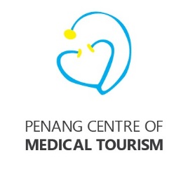
 | Penang Centre of Medical Tourism
 | Budget for 2018

 | Items | Proposed Budget for 2018 RM | Budget 2017 RM | Actual (Till Sept'17) RM | Balance RM | Remarks
 | Membership fee (13 members) |  |  | (24,000)
a. | Website Maintenance, hosting & domain registration - 5 languages, English, Bahasa Indonesia, Mandarin, Vietnamese, Myanmar | 12,480 |  | 954.00 | (954)
b. | Roadshows (Jakarta, Surabaya, Yangon, Ho Chi Minh City, Hanoi, Bandung, Haikou) | 150,000.00 |  | 52,030 | (52,030)
c. | Printing of collateral, promotional material, banners, souvenirs, name cards | 2,400.00 |  | 41,356 | (41,356)
d. | Hosting of fam trips and reciprocal visits by doctors, clinics and referral hospitals | 10,000.00 |  | - | -
e. | Miscellaneous Expenses | 15,120.00 |  | - | -
 | Total | 190,000.00 | 270,000.00 | 70,339.94 | 199,660

